Sheet1
 | Project Name | SmartCity
 | Testing for | Temporary Access (User Story 23)
 | Reference Document | https://docs.google.com/presentation/d/1Wj1gfeDXKx2f4O7jzaHUTRA477gmRZlwqt2R0SlHB9I/edit?usp=sharing
 | Created by | Zhi Choon Ng
 | Date of Creation | 30th October 2017
 | Date of Review | 30th October 2017

Test case ID | Test Objective | Precondition | Steps | Test data | Expected result/Acceptance criteria | Post condition | Test status
TC_S23_01 | A Student User will be able to view other type of users features *Exception of Adminstrator | 1. The test machine should be already setup to the run the Django server at http://127.0.0.1:8000 2. User should be logged onto a student type profile. *Can be accessed through admin, but to simulate real test case as a user, a user profile is used instead | 1. As a student, go to the navigation pane and press Cities > Brisbane > Hotels 2. The student will receive an access denied page. 3. Press back on the browser and turn the switch from 'Off' to 'On' and press submit. 4. Go to the navigation pane and press Cities > Brisbane > Hotels |  | The student will now be able to view the Hotel (which was initially not allowed for Students) section. |  | Passed
TC_S23_02 | A Tourist User will be able to view other type of users features *Exception of Adminstrator. | 1. The test machine should be already setup to the run the Django server at http://127.0.0.1:8000 2. User should be logged onto a tourist profile. *Can be accessed through admin, but to simulate real test case as a user, a user profile is used instead | 1. As a tourist, go to the navigation pane and press Cities > Brisbane > Libraries 2. The tourist will receive an access denied page. 3. Press back on the browser and turn the switch from 'Off' to 'On' and press submit. 4. Go to the navigation pane and press Cities > Brisbane > Libraries |  | The tourist will now be able to view the Libraries (which was initially not allowed for tourist) section. |  | Passed
TC_S23_03 | A buisnessman User will be able to view other type of users features *Exception of Adminstrator. | 1. The test machine should be already setup to the run the Django server at http://127.0.0.1:8000 2. User should be logged onto a non-admin profile. *Can be accessed through admin, but to simulate real test case as a user, a user profile is used instead | 1. As a buisnessman, go to the navigation pane and press Cities > Brisbane > Libraries 2. The buisnessman will receive an access denied page. 3. Press back on the browser and turn the switch from 'Off' to 'On' and press submit. 4. Go to the navigation pane and press Cities > Brisbane > Libraries |  | The buisnessman will now be able to view the Libraries (which was initially not allowed for buisnessman) section. |  | Passed

Test Case 1 Result: Hotels (Zac is a student profile) |  |  |  | Test Case 2 Result: Libraries (Zac2 is a tourist profile)
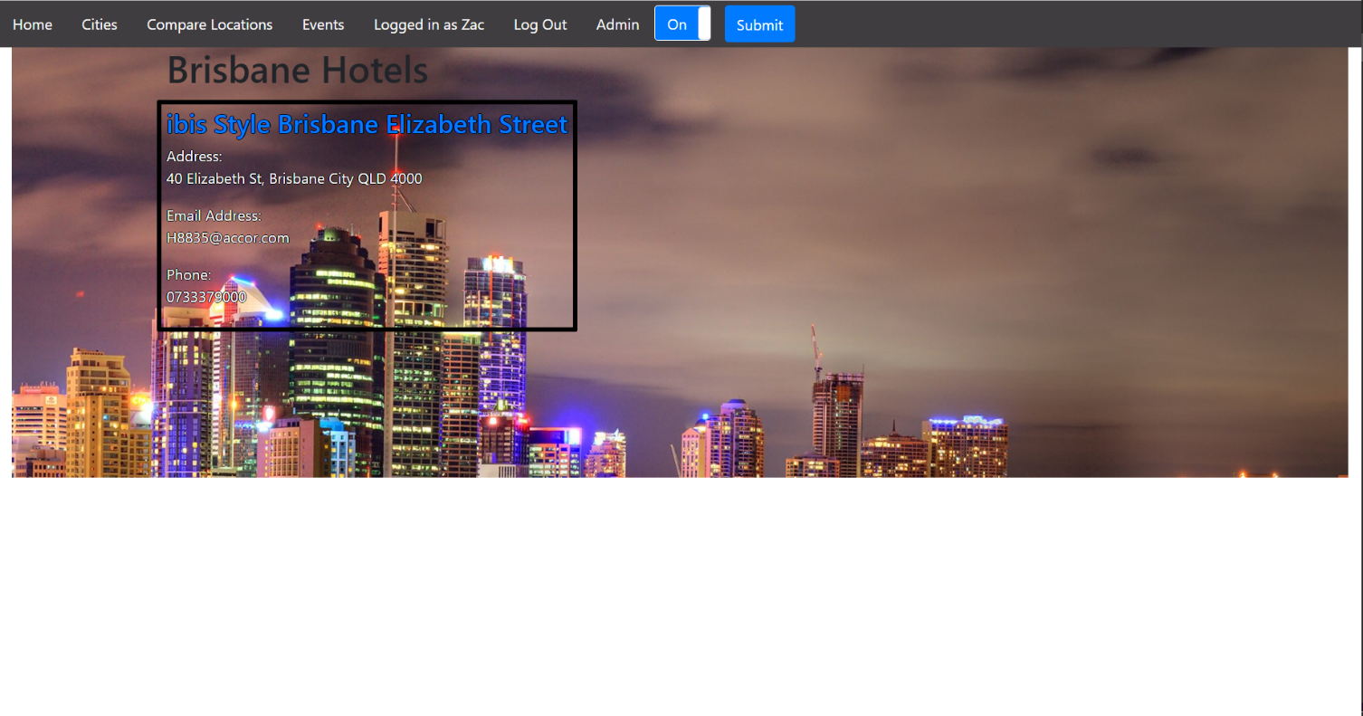
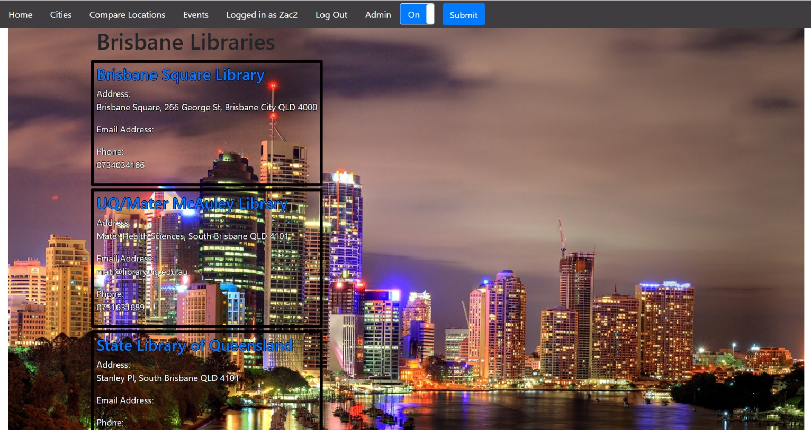


Test Case 3 Result: Libraries (Zac3 is a tourist profile)

